Keyword Research Template
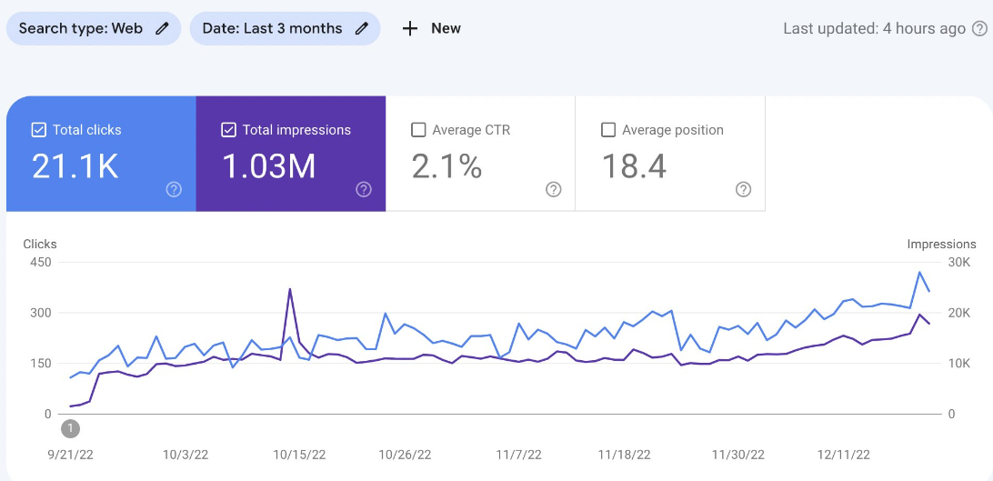
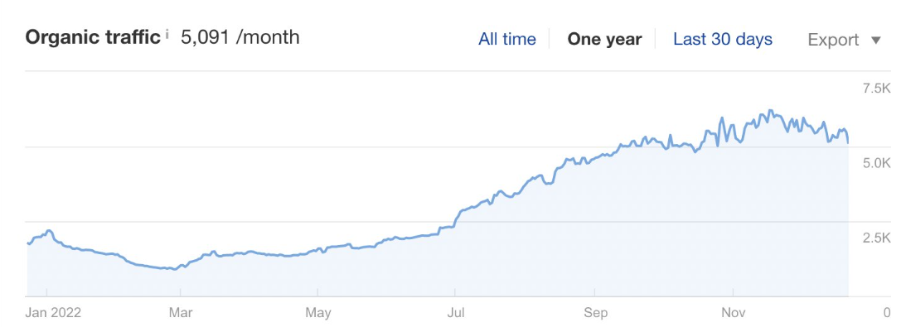
Keyword | K-Volume | KD | Content Type | Web Page
chief medical officer consultant | 50 | 5 | base - .landing page | chief medical officer consultant
clinician practitioner consultant | 30 | 15 | base - .landing page | clinician practitioner consultant
concierge medical practice consultant | 30 | 0 | base - .landing page | concierge healthcare consulting
concierge healthcare consulting | 30 | 8 | base - heading | concierge healthcare consulting
healthcare consultants in west palm beach florida | 10 | 14 | city landing page | healthcare consultants west palm beach
healthcare consulting firms in atlanta | 20 | 24 | city landing page | healthcare consulting atlanta
healthcare consulting atlanta | 20 | 28 | city heading | healthcare consulting atlanta
healthcare consulting atlanta ga | 20 | 0 | city heading | healthcare consulting atlanta
healthcare consulting firms nashville | 20 | 12 | city landing page | healthcare consulting firms nashville
florida healthcare consulting | 20 | 3 | city landing page | healthcare consulting florida
healthcare consulting firms florida | 20 | 19 | city heading | healthcare consulting florida
healthcare consulting florida | 20 | 9 | city heading | healthcare consulting florida
healthcare consulting firms miami | 20 | 0 | city landing page | healthcare consulting miami
healthcare consulting miami | 20 | 0 | city heading | healthcare consulting miami
healthcare consultants in miami beach florida | 10 | 13 | city landing page | healthcare consulting miami beach
healthcare consulting firms orlando | 10 | 0 | city landing page | healthcare consulting orlando
healthcare consulting philadelphia | 20 | 12 | city landing page | healthcare consulting philadelphia
healthcare consultants in pompano beach florida | 10 | 9 | city landing page | healthcare consulting pompano beach
healthcare consulting tampa | 20 | 23 | city landing page | healthcare consulting tampa
healthcare practice consultants | 20 | 37 | base - .landing page | healthcare practice consultants
healthcare practice management consultants | 20 | 0 | base - heading | healthcare practice consultants
healthcare practice consulting | 10 | 0 | base - heading | healthcare practice consultants
healthcare consulting seattle | 20 | 14 | base - heading | healthcare practice consultants
healthcare implementation consultant | 20 | 11 | base - heading | healthcare practice consultants
hospital procedures consultants | 70 | 25 | base - .landing page | hospital consulting
hospital consultants | 50 | 31 | base - heading | hospital consulting
hospital pharmaceutical consulting | 20 | 6 | base - heading | hospital pharmaceutical consulting
integrative medical consultants | 140 | 9 | base - .landing page | integrative medical consultant
medical affairs consulting | 90 | 18 | base - .landing page | medical affairs consulting
medical affairs consulting services | 20 | 0 | base - heading | medical affairs consulting
medical affairs consultant | 10 | 0 | base - heading | medical affairs consulting
medical communications consultant | 20 | 10 | base - heading | medical communications consultant
medical communications consulting services | 10 | 0 | base - .landing page | medical communications consultant
medical device marketing consultants | 30 | 22 | base - .landing page | medical device marketing consultants
medical marketing consultants | 110 | 25 | base - .landing page | medical marketing consultants
medical practice marketing consultants | 40 | 28 | base - heading | medical marketing consultants
medical marketing consultant | 30 | 27 | base - heading | medical marketing consultants
medical device marketing consultant | 20 | 20 | base - heading | medical marketing consultants
medical device marketing consulting | 20 | 19 | base - heading | medical marketing consultants
medical market consulting | 20 | 0 | base - heading | medical marketing consultants
medical marketing consulting | 20 | 33 | base - heading | medical marketing consultants
marketing medical consulting services | 10 | 0 | base - heading | medical marketing consultants
medical market research & consulting | 10 | 0 | base - heading | medical marketing consultants
medical practice advertising consultant | 20 | 0 | base - heading | medical marketing consultants
medical practice consulting | 210 | 35 | base - .home page | medical practice consultants
medical practice consultant | 170 | 31 | base - heading | medical practice consultants
medical practice consultants | 90 | 33 | base - heading | medical practice consultants
medical practice consulting services | 90 | 32 | base - heading | medical practice consultants
medical practice management consultants | 90 | 32 | base - heading | medical practice consultants
medical practice management consultant | 40 | 31 | base - heading | medical practice consultants
medical practice consulting group | 30 | 20 | base - heading | medical practice consultants
medical practice management consulting | 30 | 32 | base - heading | medical practice consultants
medical practice setup consultants | 30 | 28 | base - heading | medical practice consultants
medical practice consulting firms | 20 | 0 | base - heading | medical practice consultants
corporate medical consultants | 20 | 0 | base - heading | medical practice consultants
medical practice startup consultant | 70 | 18 | base - .landing page | medical startup consultants
startup medical practice consultant | 30 | 25 | base - heading | medical startup consultants
medical practice start up consultant | 20 | 24 | base - heading | medical startup consultants
medical practice startup consultants | 20 | 27 | base - heading | medical startup consultants
pharmacy consultant | 390 | 41 | base - .landing page | pharmacy consulting services
pharmacy consulting | 320 | 27 | base - heading | pharmacy consulting services
pharmacy consulting services | 210 | 27 | base - heading | pharmacy consulting services
pharmacy consulting companies | 170 | 31 | base - heading | pharmacy consulting services
pharmacy consultants | 140 | 36 | base - heading | pharmacy consulting services
pharmacy operations consultant | 20 | 12 | base - heading | pharmacy consulting services
pharmacy benefit consultants | 170 | 29 | base - heading | pharmacy consulting services
pharmacy supply chain consulting | 20 | 11 | base - heading | pharmacy consulting services
physician consultant | 320 | 33 | base - .landing page | physician consultant
physician consulting | 90 | 27 | base - heading | physician consultant
physician consultants | 30 | 49 | base - heading | physician consultant
physician practice management consulting services | 70 | 31 | base - .landing page | physician practice consultants
physician practice consulting | 40 | 35 | base - heading | physician practice consultants
physician practice management consultants | 40 | 35 | base - heading | physician practice consultants
physician office start up consultants | 30 | 19 | base - heading | physician practice consultants
physician practice consultants | 30 | 34 | base - heading | physician practice consultants
medical physician practice consulting | 10 | 0 | base - heading | physician practice consultants
private medical practice consultant | 20 | 0 | base - .landing page | private practice consulting
private practice startup consultant | 20 | 19 | base - heading | private practice consulting
private practice consulting | 90 | 24 | base - heading | private practice consulting
private practice consultant | 50 | 21 | base - heading | private practice consulting
private practice consulting denver co | 30 | 0 | base - heading | private practice consulting
specialty pharmacy consulting | 50 | 28 | base - .landing page | specialty pharmacy consulting services
specialty pharmacy consultants | 20 | 19 | base - heading | specialty pharmacy consulting services
specialty pharmacy consulting services | 10 | 0 | base - heading | specialty pharmacy consulting services
specialty pharmacy accreditation consultants | 20 | 13 | base - heading | specialty pharmacy consulting services
what is an integrative medical consultant | 260 | 9 | blog post | what is an integrative medical consultant
what is an integrated medical consultant | 50 | 6 | blog post | what is an integrative medical consultant

Average Keyword Difficulty | 18 |  |  | 1 | base - .home page
Estimated Total Keyword Search Volume (monthly) | 4790 | impressions on Google per month |  | 0 | base - .about page
 |  |  |  | 0 | base - .contact page
ESTIMATED WEBSITE ORGANIC TRAFFIC (Top 5) | 662 | 26 | leads per month | 0 | base - .service page
based on 13.82% CTR for Top 5 on Google |  |  | industry avg 4% conversion rate | 16 | base - .landing page
 |  |  |  | 53 | base - heading
ESTIMATED WEBSITE ORGANIC TRAFFIC (Top 10) | 413 | 17 | leads per month | 0 | city service page
based on 8.63% CTR for Top 10 on Google |  |  | industry avg 4% conversion rate | 10 | city landing page
 |  |  |  | 5 | city heading
ESTIMATED WEBSITE ORGANIC TRAFFIC (2nd page) | 30 |  |  | 2 | blog post
based on 0.63% CTR for 2nd page of Google

